Normal Probability Dist.
Part I: Definitions and Formulas: The Normal Probability Distribution: | Part II: Applying the formulas: |  | Part III: Plotting the Normal Distribution in Excel: |  |  | z | x | y = f(x)
A random variable X with a mean µ (mu) and a standard deviation σ (sigma) is | Forward problems: =NORM.DIST(x ,µ , σ , 1) |  | Step 1: First generate z values ranging from -4 to 4 in increments of, |  |  | -4 | 38 | 1.6728778221E-05
said to be Normally distributed if its probability distribution is a special kind of | Inverse Problems: =NORM.INV(P ,µ , σ) |  | say 0.5. This is completed in column K. | Mean µ: | 70 | -3.5 | 42 | 0.00010908533688
a bell-shaped curve. The mean µ indicates where the center of distribution (on | Example: The scores in a standardized test are normally distributed with |  |  | Standard deviation σ: | 8 | -3 | 46 | 0.00055398105149
the horizontal axis) is, and the standard deviation σ describes the spread | a mean of 70 and a standard deviation of 8. |  | Step 2: Given the mean µ and the standard deviation σ, use formula (II) |  |  | -2.5 | 50 | 0.0021910375617
of that distribution (for larger values of σ, the distribution is more spread-out). | (a) What is the probability that a randomly selected score is less than 68? |  | of part (I) of this spreadsheet to convert the z values to the x |  |  | -2 | 54 | 0.0067488708141
For example, the graph below shows a normal distribution with a mean of 70 and a | (b) What percentage of the scores are higher than 85? |  | values. This is done in column L. |  |  | -1.5 | 58 | 0.016189699458
standard deviation of 8. | (c) What percentage of the scores are between 75 and 90? |  |  |  |  | -1 | 62 | 0.030246340565
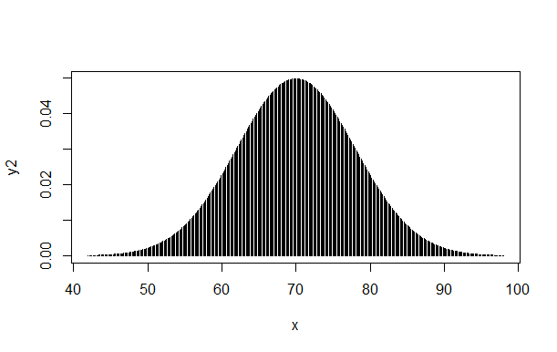
 | (d) A university admits only the 10% top scorers. What score should be |  | Step 3: For each x, use the following formula to calculate the |  |  | -0.5 | 66 | 0.044008165846
 | set as the criterion for admission to this university? |  | corresponding y value (or f(x) value) in order to obtain pairs |  |  | 0 | 70 | 0.04986778505
 |  |  | of points (x,y) of the Normal curve: |  |  | 0.5 | 74 | 0.044008165846
 | Solution: |  | =NORM.DIST(x, µ, σ, 0) |  |  | 1 | 78 | 0.030246340565
 | (a): P(X < 68) is represented by the shaded region as shown below. The |  | This is done in column M. |  |  | 1.5 | 82 | 0.016189699458
 | formula that calculates this probability is: |  |  |  |  | 2 | 86 | 0.0067488708141
 | =NORM.DIST(68, 70, 8, 1) -------------> (see the notes at the bottom) | 0.4013 | Step 4: Highlight the x and y columns (the cells in columns L and M that |  |  | 2.5 | 90 | 0.0021910375617
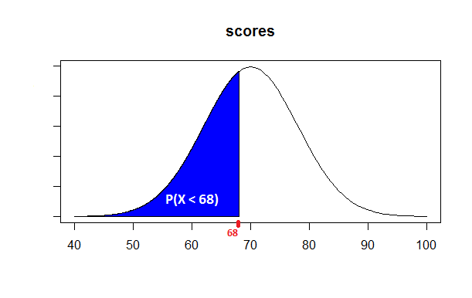
 |  | This probability means that 40.13% of | contain numerical values), click into the "Insert" menu, and |  |  | 3 | 94 | 0.00055398105149
 |  | the scores were less than 68. | select a scatter plot type as shown below: |  |  | 3.5 | 98 | 0.00010908533688
A Normal Probability Distribution
 |  |  |  |  |  | 4 | 102 | 1.6728778221E-05

It is important to know that probabilities are represented by the areas under the Normal curve;
and that, as any other probability distribution, the total area under the normal curve is equal
to 1 (that is, 100%). Also, the vertical line through the center (i.e., through the mean) divides
this total area into two equal portions; with each half having an area of 0.5.

A special type of a normal random variable is the Standard Normal random variable.
This variable is denoted by Z, and it is called standard because its mean is zero (µ = 0),
and its standard deviation is 1 (σ = 1). The graph below shows the standard normal distribution. | (b): P(X>85) is represented by the shaded region as shown below. The
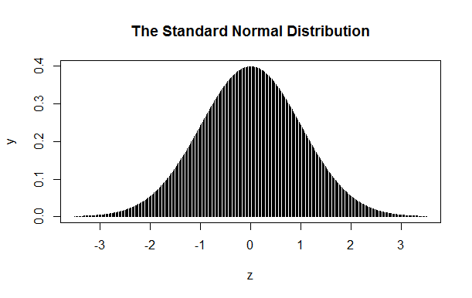
 | formula =NORM.DIST(85, 70, 8, 1) calculates the area under the curve and
 | on the left of 85. To calculate the area on the right of 85, we must subtract the
 | above area from the total area under the curve (the total area is: 1)
 | =1 - NORM.DIST(85, 70, 8, 1) -------------> | 0.0304 | By right-clicking into the chart or into the horizontal axis area, and selecting
 | In terms of percentages, the above probability means that 3.04% of the |  | different formatting or chart type options, the above chart can be converted
 | scores were higher than 85. |  | into the following:
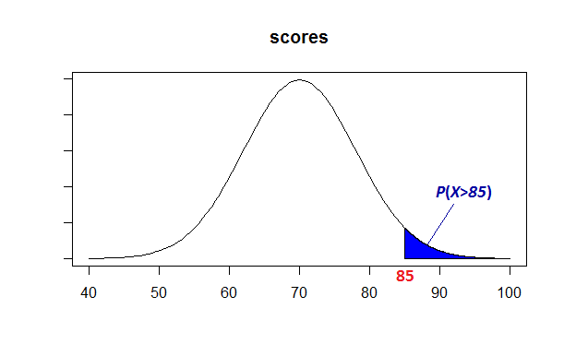
A Normal Probability Distribution

Conversion from X to Z and vice versa:
Given a Normal random variable X with a mean µ and a standard deviation σ, the following
formula will convert (transform) it into a standard normal random variable Z:
z = (x - µ) / σ (I) | (c): P(75<X<90) is the area under the curve and between 75 and 90. The
Conversely, the following formula converts the standard normal random variable Z into
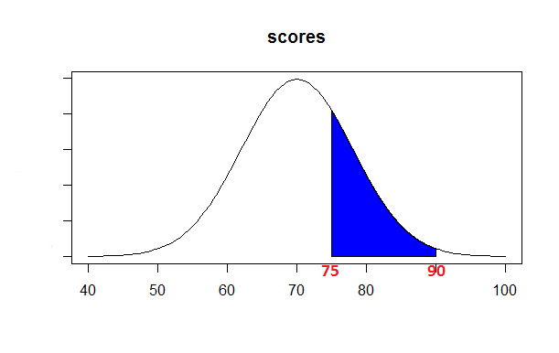
a Normal variable X whose mean is µ and whose standard deviation is σ:
x = µ + z σ (II)

Cumulative Normal Probabilities:
Consider a Normal random variable X with a mean µ and a standard deviation σ. Then given
a specific numerical value x of this variable, the area under the curve and on the left of this
value is called the cumulative probability of x, and is denoted by: P(X≤ x)

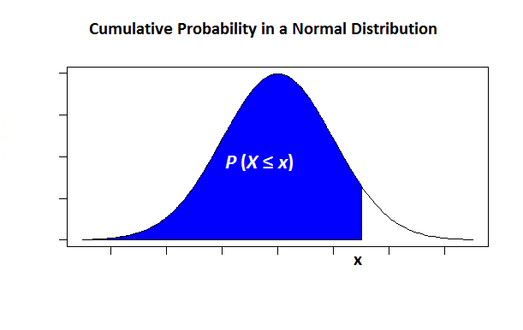

 | The following Excel formula will calculate this area:
 | =NORM.DIST(90,70,8,1) - NORM.DIST(75, 70, 8, 1) -------> | 0.2598
 | In terms of percentages, the above probability means that almost 26% of the
 | scores were between 75 and 90.

 | (d): This is an example of an inverse problem. We wish to find a specific score x with an
 | area of 0.10 (or, 10%) on its right.

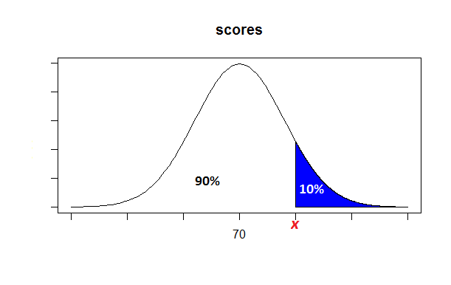

In Excel, the above cumulative probability can be calculated by the following formula:
=NORM.DIST(x ,µ , σ , 1) (III)
Conversely, given a cumulative probability P, and µ and σ, the following formula determines the
x value (a problem in which cumulative probabiulity is given and the specific value x of the
random variable is to be calculated, is called an inverse problem).
=NORM.INV(P ,µ , σ) (IV)

Note: In statistics, random variables are generally represented by upper-case letters such as X or Y
or Z, and their specific numerical values are represented by the corresponding lower case
letters such as x or y or z respectively.

 | Since the input of the formula for inverse problems should be the area on the left, we
 | subtract 0.10 fro 1 to obtain this area. The Excel formula then is as follows:
 | =NORM.INV(0.90, 70, 8) -------------> | 80.25
 | That is, scores of 80.25 or above belong to the top 10% of all the scores.

 | Notes:
 | In the far past (perhaps during the stone age!) when the Excel formulas (III) and (IV)
 | were not available, students and practitioners of statistics would use the following method
 | along with standard normal probability tables to calculate the Normal probabilities.
 | Although these methods are now obsolete, but unfortunately still some textbooks in
 | statistics use these obsolete methods. Below, I will describe how normal probabilities used
 | to be calculated by such obsolete methods:
 | Part (a): P(X < 68),
 | Step 1: Use formula (I) to convert the x value of 68 to the corresponding z value of the
 | standard Normal distribution:
 | z = (68-70) / 8 ---------------> | -0.25
 | z = - 0.25
 | Step 2: This means that, instead of calculating P(X < 68), the student would calculate the
 | equivalent probability of P(Z < - 0.25)
 | The student would then refer to a Z table, would look up for z= -0.25 in that table,
 | and would find 0.4013 in that table.
 | Note that in addition to the Excel formulas (III) and (IV) that are used for the Normal
 | distribution, Excel also has functions for the standard normal distribution.
 | For forward problems, the cumulative probability P(Z ≤ z) is calculated by:
 | =NORM.S.DIST(z ,1)
 | For example, to calculate P(Z < - 0.25), we enter: =NORM.S.DIST(- 0.25 , 1) -----> | 0.4013

 | For inverse problems and given a cumulative probability P(Z ≤ z), call it P, the specific z value
 | of the standard normal random variable with an area of P on its left, is calculated by:
 | =NORM.S.INV(P)

 | Part (b): P(X > 85),
 | Step 1: Use formula (I) to convert the x value of 85 to the corresponding z value of the
 | standard Normal distribution:
 | z = (85-70) / 8 ---------------> | 1.875
 | z = 1.875
 | Step 2: This means that, instead of calculating P(X > 85), the student would calculate the
 | equivalent probability of P(Z > 1.875)
 | The student would then refer to a Z table, would look up for z=1.875 in that table.
 | Unfortunately, all Z tables used to contain only 2 significant places after the decimal.
 | This means that the z value of 1.875 had to be first rounded to 1.88. Often, a significant | 0.96994596104
 | loss of accuracy would result as the table would provide a cumulative probability
 | of 0.9699 for a z of 1.88. Since 0.9699 is the area under the standard normal curve and
 | on the left of 1.88, the student would then subtract this probability from 1 to obtain
 | P(Z > 1.88) = 1 - 0.9699 = 0.0300 | 0.030054038961
 | Comparing this result with an exact value of 0.0304 obtained above when we used
 | a direct method, we observe a discrepancy of 0.0004.
 | Note that the probability P(Z > 1.875) can be calculated directly in Excel by:
 | =1 - NORM.S.DIST(1.875 , 1) -----------> | 0.030396361765

 | Part (c): P(75<X<90) :
 | Here, there are two x values: x=75 and x=90. Both of these values have to be converted to
 | their corresponding z values:
 | For x = 75, z = (75-70)/8 = 0.625 ------> This is then rounded to z = 0.63 | 0.625
 | For x = 90, z = (90-70)/8 = 2.50 | 2.5
 | Therefore, P(75 < X < 90) is equal to P(0.63 < Z < 2.50)
 | The Z table would then provide a cumulative probability of 0.9938 for z=2.50, and a
 | cumulative probability of 0.7357 for z=0.63. Subtracting the smaller probability from the
 | larger one, we obtain:
 | P(75 < X < 90) = P(0.63 < Z < 2.50) = 0.9938 - 0.7357 = 0.2581
 | Comparing this result with an exact value of 0.2598 obtained above when we used | 0.0017
 | a direct method, we observe a discrepancy of 0.0017.
 | Note that we can calculate P(0.625< Z < 2.50) exactly by using the Excel formula below:
 | =NORM.S.DIST(2.50 , 1) - NORM.S.DIST(0.625 , 1) ----> | 0.2598

 | Part (d): Here, we wish to find a specific score x with an area of 0.10 on its right, and hence
 | an area of 1 - 0.10 = 0.90 on its left.
 | First, we find such a z value; i.e., a z value with an area of 0.90 on its left. To find such a z
 | value, the student had to look inside the table trying to find a probability of 0.9000 in that
 | table. Often, the exact value of the probability that the student was looking for, could not
 | be found in the table; so the student had to find a closest probability. Yet at times, there
 | were more than one closest probability in the table.
 | For a probability of 0.9000, the table would provide a z value of z=1.28.This z value can then
 | be converted into an x value by using formula (II):
 | x = µ + z σ = 70 + (1.28)(8) = 80.24 | 80.24

 | As a recommendation, the table-oriented methods described in the "Notes" section in here
 | are now obsolete, involve more computations, and are sensitive to rounding errors.
 | These days, it is much faster and more accurate to use the direct Excel formulas (formulas
 | (III) and (IV)) when dealing with the Normal distribution.

